Sheet1
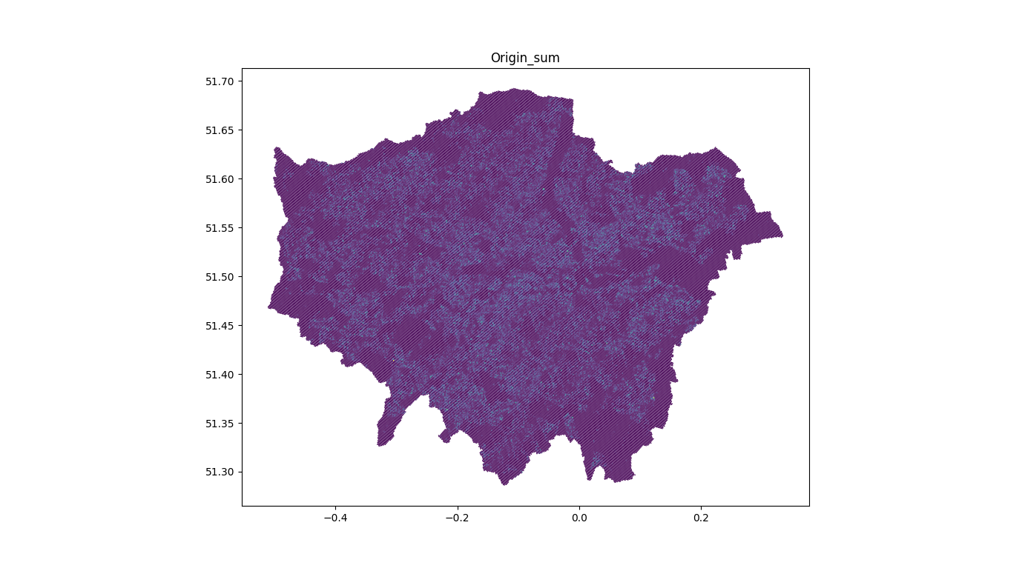
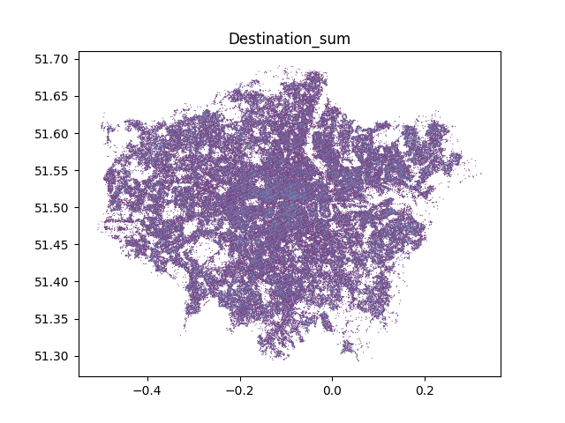
OD - basic stats
count | 211327
mean | 135.220795
std | 274.693055
min | 1
25% | 5
50% | 26
75% | 113
max | 4467

Origin Sum Map |  | Destination sum map

